Overview
Improvement Toolkit: Workbook
Stages of Continuous
 | 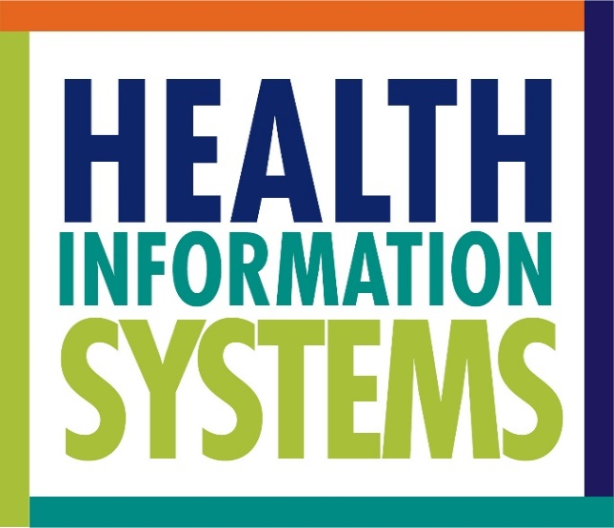

 | Toolkit Hyperlink
 | https://www.measureevaluation.org/his-strengthening-resource-center/his-stages-of-continuous-improvement-toolkit

 | What is the purpose of this toolkit?
 | The Health Information System (HIS) Stages of Continuous Improvement (SOCI) Toolkit measures the status and goals of an HIS across five stages, identifies gaps, and supports the development of roadmaps to improve HIS capabilities related to processes, people, and systems essential for achieving a country’s health goals. This toolkit responds to these research questions: 1. What are the stages of HIS development? 2. How can HIS be assessed and their maturity continuously improved to achieve better health outcomes? The toolkit consists of a measurement scale with 39 HIS subcomponents across five stages detailing improvement across each subcomponent, a data collection tool with data analysis tabs, and a user guide. The scale outlines key components of HIS improvement and defines attributes of each subcomponent on a five-point Likert scale.

 | Who should use this toolkit?
 | This version of the assessment toolkit is meant to be used for national-level HIS planning. This toolkit can be used by ministries, HIS units, and governing bodies or authorities, as well as nongovernmental organizations seeking to assess and improve their HIS.

 | Who should participate in the assessment?
 | The assessment should be completed by relevant stakeholders. Leadership of the organizational unit for the HIS being assessed should be consulted to identify at least one key personnel who represents aspects of HIS leadership, management, and implementation. This may include HIS managers, policymakers, ICT specialists and others. For example, the director of the HIS unit would work with HIS.

 | How should this assessment be completed?
 | The assessment background tab should be completed based on the information collected from the HIS leader/manager who is responsible for assessment of the HIS. The HIS assessment tab in this workbook should be completed by identified key stakeholders. Respondents will be asked to use the measurement scale in the stages measurement scale tab to specify HIS status and future goals across 39 distinct subcomponents. Using the measurement scale, users should identify where a given HIS subcomponent falls and what the goal is for that subcomponent. Upon completion of the individual assessment, the assessment leadership team will convene a stakeholder consultation (with help from an internal or external expert) to discuss assessment findings and come to a consensus in terms of a final score for each of the subcomponents, domains, and the overall HIS stage of development. Alternatively, responses could be collected from people by email or on site visits and individual results input in to the data entry tab to achieve consensus scores for each subcomponent. Any supporting documentary evidence (i.e., HIS strategic plans, monitoring and evaluation [M&E] plans, etc.), wherever applicable, should be attached to the assessment or provided through a URL, when applicable. The assessment can be completed prior to annual HIS work planning and should be completed on regular basis (e.g. annually or biannually) to measure HIS performance progress and review targeted improvement goals.

 | How can the results be used?
 | The resulting scores will identify the current status of the HIS at hand and present these results alongside identified future goals for the HIS. The measurement scale can then be used to identify gaps between current and desired status and concrete steps that should be taken for HIS performance to progress.

 | HIS stages measurement scale and description used in the assessment tool:
 | Stage | Description
1 | Emerging/ad hoc | Formal processes, capabilities, experience, or understanding of HIS issues/activities are limited or emerging. Formal processes are not documented, and functional capabilities are at the development stage. Success depends on individual effort.
2 | Repeatable | Basic processes are in place, based on previous activities or existing and accessible policies. The need for standardized processes and automated functional capabilities is known. There are efforts to document current processes.
3 | Defined | There are approved documented processes and guidelines tailored to HIS projects or activities. There is increased collaboration and knowledge sharing. Innovative methods and tools can be implemented and used to extend functional capabilities.
4 | Managed | Activities are under control using established processes. Requirements/goals have been developed and a feedback process is in place to ensure that they are met. Detailed measures for processes and products are being collected.
5 | Optimized | Best practices are being applied, and the system is capable of learning and adapting. The system uses experiences and feedback to correct problems and continuously improve processes and capabilities. Future challenges are anticipated, and a plan is in place to address them through innovation and new technology. Processes are in place to ensure review and incorporation of relevant innovation.

 | We acknowledge the substantive contributions made by the United States Centers for Disease Control and Prevention team. We also thank the members of the Digital Health and Interoperability Technical Working Group
 | of the Health Data Collaborative.
This publication was produced with the support of the United States Agency for International Development (USAID) under the terms of MEASURE Evaluation cooperative agreement AID-OAA-L-14-00004. MEASURE Evaluation is implemented by the Carolina Population Center, University of North Carolina at Chapel Hill in partnership with ICF International; John Snow, Inc.; Management Sciences for Health; Palladium; and Tulane University. Views expressed are not necessarily those of USAID or the United States government. TL-18-09

Assessment -background
 | Record your answers to the following questions. This will provide background information to inform the assessment process.

1 | Which HIS are you assessing?

2 | What is the purpose of the HIS you will assess (e.g., to monitor and review implementation of maternal and child health [MCH] services)?
 | Please attach any supporting documentation describing the HIS purpose.

3 | What is the main challenge you hope to address with this assessment (e.g., to improve monitoring and review of MCH services)?

*Note: HIS staff are considered to be those who spend at least 50% of their time on HIS, including data management, analysis, and use.
4 | Please provide the following information regarding the area covered by the HIS to be assessed.
 | Only complete the boxes that apply to this HIS.
 |  | Total Number in the Country | Approximate Number Covered by the HIS | Approximate Number of Staff* Associated with HIS at Each Level (as applicable) | Comments
 | Region
 | District/county
 | Facility

5 | Identify key organizations and stakeholders that should be included in the assessment process
 | (e.g., relevant ministries, donors, nongovernmental organizations [NGOs], etc.)
 | Names of individuals will not be included in the final analysis or report.
 |  | Surname (Last Name) | First Name | Organization | Domain or Subcomponent of Expertise | Comment
 | 1
 | 2
 | 3
 | 4
 | 5
 | 6
 | 7
 | 8
 | 9
 | 10
 | 11
 | 12
 | 13
 | 14
 | 15

